Part 4 - Government revenues
 |  |  |  | Part 4 (Government revenues) contains comprehensive data on government revenues per revenue stream, according to GFSM classification.
 |  |  |  | How to complete this sheet:
 |  |  |  | 1. Enter the name of all government Revenue streams for the extractive sectors, including revenues that fall below agreed materiality thresholds (one row should be used for each individual revenue stream and individual governmant entity)
 |  |  |  | 2. Enter the name of the receiving Government entity (choose using the dropdown list. It will appear there since you have already entered the government entitiy in Part 3).
 |  |  |  | 3.Choose the Sector and the GFS Classification this revenue applies to. Use the guidance provided in the GFS Framework for EITI reporting. If a revenue stream cannot be disaggregated by sector, chose "Other".
 |  |  |  | 4. In the Revenue value column, enter total figure of each revenue stream as disclosed by government, including revenues that were not reconciled.
 |  |  |  | Remember: Governments receipts from companies on behalf of their employees should be excluded (e.g personal income tax PAYE, employee social security contributions, withholding tax) because they are not considered payments from companies to government.
 |  |  |  | 5. If there are any payments which are in the EITI Report, but cannot be matched with the GFS categories, please list them in the box below called "Additional information".
 |  |  |  | If you have any questions, please contact data@eiti.org

 |  |  |  | Total government revenues from extractive sector (using GFS) |  |  |  |  |  | GFS Framework for EITI Reporting
 |  |  |  |  |  |  |  |  |  | EITI Requirement 5.1.b: Revenue classification
 |  |  |  | EITI Requirement 4.1.d: Full government disclosure
GFS Level 1 | GFS Level 2 | GFS Level 3 | GFS Level 4 | GFS Classification | Sector | Revenue stream name | Government entity | Revenue value | Currency | What is GFS?
Ordinary taxes on income, profits and capital gains (1112E1) | Do not enter data | Do not enter data | Do not enter data | Administrative fees for government services (1422E) | Agriculture | Annual Vehicle Registration Sticker | Liberia Revenue Authority | 155,053 | USD | GFS, or Government Finance Statistics, is an international framework for categorising revenue streams so they are comparable across countries and time-periods. See full framework example below. The framework used below has been developped by the IMF and EITI International Secretariat. The letter E in the GFS codes means that these are codes only used for revenues from extractives companies. The digits to the right were specifically designed for extractive sector companies.
Do not enter data | Do not enter data | Do not enter data | Do not enter data | Administrative fees for government services (1422E) | Agriculture | Aviation Development Fees | Liberia Civil Aviation Authority | 7,352 | USD
Do not enter data | Do not enter data | Do not enter data | Do not enter data | Administrative fees for government services (1422E) | Agriculture | BIN - Adjustment / change of status | Liberia Revenue Authority | 1,850 | USD
Do not enter data | Do not enter data | Do not enter data | Do not enter data | Administrative fees for government services (1422E) | Agriculture | Bin - Airport Visas | Liberia Revenue Authority | 3,800 | USD
Do not enter data | Do not enter data | Do not enter data | Do not enter data | Administrative fees for government services (1422E) | Agriculture | BIN - Booklet fees | Liberia Revenue Authority | 75 | USD
Do not enter data | Do not enter data | Do not enter data | Do not enter data | Administrative fees for government services (1422E) | Agriculture | BIN - New gratis permit (non ECOWAS) | Liberia Revenue Authority | 500 | USD
Do not enter data | Do not enter data | Do not enter data | Do not enter data | Administrative fees for government services (1422E) | Agriculture | BIN - New gratis permit (Resident/ECOWAS) | Liberia Revenue Authority | 100 | USD
Do not enter data | Do not enter data | Do not enter data | Do not enter data | Administrative fees for government services (1422E) | Agriculture | BIN - New re-entry permit (non ECOWAS) | Liberia Revenue Authority | 8,500 | USD
Do not enter data | Do not enter data | Do not enter data | Do not enter data | Administrative fees for government services (1422E) | Agriculture | BIN - Renewal gratis permit (non ECOWAS) | Liberia Revenue Authority | 1,200 | USD
Do not enter data | Do not enter data | Do not enter data | Do not enter data | Administrative fees for government services (1422E) | Agriculture | BIN - Renewal gratis permit (Resident/ECOWAS) | Liberia Revenue Authority | 50 | USD
Do not enter data | Do not enter data | Do not enter data | Do not enter data | Administrative fees for government services (1422E) | Agriculture | Bin - Renewal Re-Entry Permit (Non Ecowas) | Liberia Revenue Authority | 14,700 | USD
Do not enter data | Do not enter data | Do not enter data | Do not enter data | Administrative fees for government services (1422E) | Agriculture | Bin - Resident Permit (Ecowas) | Liberia Revenue Authority | 150 | USD
Do not enter data | Do not enter data | Do not enter data | Do not enter data | Administrative fees for government services (1422E) | Agriculture | BIN - Resident permit (non ECOWAS) | Liberia Revenue Authority | 27,650 | USD
Do not enter data | Do not enter data | Do not enter data | Do not enter data | Administrative fees for government services (1422E) | Agriculture | Bin - Resident Permit Of Renewal (Ecowas) | Liberia Revenue Authority | 200 | USD
Do not enter data | Do not enter data | Do not enter data | Do not enter data | Administrative fees for government services (1422E) | Agriculture | Bin - Resident Permit Of Renewal (Non Ecowas) | Liberia Revenue Authority | 43,450 | USD
Do not enter data | Do not enter data | Do not enter data | Do not enter data | Administrative fees for government services (1422E) | Agriculture | Cocoa and coffee | Liberia Revenue Authority | 4,686 | USD
Do not enter data | Do not enter data | Do not enter data | Do not enter data | Administrative fees for government services (1422E) | Agriculture | Farm use in urban areas | Liberia Revenue Authority | 170,000 | USD
...
 |  |  |  |  |  |  |  |  |  | GFS Framework for EITI Reporting
 |  |  |  |  | Forestry | Bin - Renewal Re-Entry Permit (Non Ecowas) | Liberia Revenue Authority | 2,450 | USD
 |  |  |  |  | Forestry | Bin - Resident Permit (Ecowas) | Liberia Revenue Authority | 150 | USD
 |  |  |  |  | Forestry | BIN - Resident permit (non ECOWAS) | Liberia Revenue Authority | 37,450 | USD
 |  |  |  |  | Forestry | Bin - Resident Permit Of Renewal (Ecowas) | Liberia Revenue Authority | 1,150 | USD
 |  |  |  |  | Forestry | Bin - Resident Permit Of Renewal (Non Ecowas) | Liberia Revenue Authority | 27,650 | USD
 |  |  |  |  | Forestry | Handling of Logs | National Port Authority | 10,938 | USD
 |  |  |  |  | Forestry | Labor Gang | National Port Authority | 8,357 | USD
 |  |  |  |  | Forestry | Lbr - Re-Registration Fee | Liberia Revenue Authority | 16,384 | USD
 |  |  |  |  | Forestry | Log And Wood Product Export Fee (Fda Regulation 107-7 Section 44-45) (Forestry - Fmcs) | Liberia Revenue Authority | 3,231,719 | USD
 |  |  |  |  | Forestry | Logs Handling | National Port Authority | 796,086 | USD | or, https://www.imf.org/external/np/sta/gfsm/
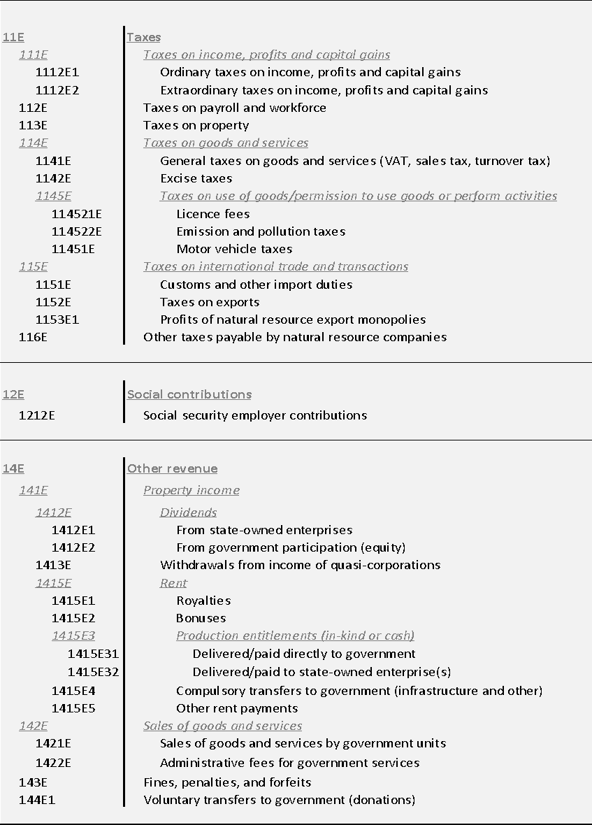
 |  |  |  |  | Forestry | MFA - Amendment of Articles of Incorporation | Liberia Revenue Authority | 20 | USD
 |  |  |  |  | Forestry | Mfa - Amendment Of Articles Of Incorporation | Liberia Revenue Authority | 30 | USD
 |  |  |  |  | Forestry | Mfa - Apostilles/Attestations | Liberia Revenue Authority | 75 | USD
 |  |  |  |  | Forestry | Moa - Phytosanitary Certificates | Liberia Revenue Authority | 14,700 | USD
 |  |  |  |  | Forestry | MOL - Contractor License Fees | Liberia Revenue Authority | 100 | USD
 |  |  |  |  | Forestry | MOL - Gratis work permit | Liberia Revenue Authority | 1,000 | USD
 |  |  |  |  | Forestry | Mol - Other Fees And Charges (Ministry Of Labor) | Liberia Revenue Authority | 500 | USD
 |  |  |  |  | Forestry | MOL - Other work permit | Liberia Revenue Authority | 46,000 | USD
 |  |  |  |  | Forestry | MOL - Regular work permit | Liberia Revenue Authority | 86,000 | USD
 |  |  |  |  | Forestry | Motorbike license plates | Liberia Revenue Authority | 50 | USD
 |  |  |  |  | Forestry | Other import duties | Liberia Revenue Authority | 58,891 | USD
 |  |  |  |  | Forestry | Other Motor Vehicle Tax | Liberia Revenue Authority | 900 | USD
 |  |  |  |  | Forestry | Vehicle License Plates | Liberia Revenue Authority | 30,328 | USD
 |  |  |  |  | Mining | Annual Vehicle Registration Sticker | Liberia Revenue Authority | 74,809 | USD
 |  |  |  |  | Mining | Aviation Development Fees | Liberia Civil Aviation Authority | 10,240 | USD
 |  |  |  |  | Mining | BIN - Adjustment / change of status | Liberia Revenue Authority | 1,200 | USD
 |  |  |  |  | Mining | Bin - Airport Visas | Liberia Revenue Authority | 17,200 | USD
 |  |  |  |  | Mining | BIN - New gratis permit (non ECOWAS) | Liberia Revenue Authority | 50 | USD
 |  |  |  |  | Mining | BIN - New re-entry permit (non ECOWAS) | Liberia Revenue Authority | 80,550 | USD
 |  |  |  |  | Mining | BIN - Renewal gratis permit (non ECOWAS) | Liberia Revenue Authority | 700 | USD
 |  |  |  |  | Mining | Bin - Renewal Re-Entry Permit (Non Ecowas) | Liberia Revenue Authority | 36,000 | USD
 |  |  |  |  | Mining | Bin - Resident Permit (Ecowas) | Liberia Revenue Authority | 1,050 | USD
 |  |  |  |  | Mining | BIN - Resident permit (non ECOWAS) | Liberia Revenue Authority | 385,550 | USD
 |  |  |  |  | Mining | Bin - Resident Permit Of Renewal (Ecowas) | Liberia Revenue Authority | 1,600 | USD
 |  |  |  |  | Mining | Bin - Resident Permit Of Renewal (Non Ecowas) | Liberia Revenue Authority | 130,200 | USD
 |  |  |  |  | Mining | BIN - Visa to travel to Liberia | Liberia Revenue Authority | 100 | USD
 |  |  |  |  | Mining | Business or commercial use | Liberia Revenue Authority | 1,366 | USD
 |  |  |  |  | Mining | Business registration fees | Liberia Revenue Authority | 2,250 | USD
 |  |  |  |  | Mining | Diamond broker | Liberia Revenue Authority | 1,500 | USD
 |  |  |  |  | Mining | Harbor dues light house and navigational aid tax (LRC 1801c) | Liberia Revenue Authority | 4,916 | USD
 |  |  |  |  | Mining | LBR - Change of particulars fee | Liberia Revenue Authority | 50 | USD
 |  |  |  |  | Mining | LBR - Domestic Incorporation filing fee | Liberia Revenue Authority | 40 | USD
 |  |  |  |  | Mining | Lbr - Re-Registration Fee | Liberia Revenue Authority | 25,542 | USD
 |  |  |  |  | Mining | Local Inspection Fees | Liberia Civil Aviation Authority | 2,400 | USD
 |  |  |  |  | Mining | Marine Operations | National Port Authority | 169,000 | USD
 |  |  |  |  | Mining | MFA - Amendment of Articles of Incorporation | Liberia Revenue Authority | 50 | USD
 |  |  |  |  | Mining | Mfa - Apostilles/Attestations | Liberia Revenue Authority | 25 | USD
 |  |  |  |  | Mining | Mineral dealership | Liberia Revenue Authority | 115,000 | USD
 |  |  |  |  | Mining | MOJ - Private contract security accreditation | Liberia Revenue Authority | 500 | USD
 |  |  |  |  | Mining | MOL - Contractor License Fees | Liberia Revenue Authority | 400 | USD
 |  |  |  |  | Mining | MOL - Gratis work permit | Liberia Revenue Authority | 200 | USD
 |  |  |  |  | Mining | MOL - Other work permit | Liberia Revenue Authority | 265,000 | USD
 |  |  |  |  | Mining | MOL - Regular work permit | Liberia Revenue Authority | 119,000 | USD
 |  |  |  |  | Mining | Motorbike license plates | Liberia Revenue Authority | 610 | USD
 |  |  |  |  | Mining | NFS -Fire safety inspection fee | Liberia Revenue Authority | 495 | USD
 |  |  |  |  | Mining | Other fees (mineral mining) | Liberia Revenue Authority | 261,423 | USD
 |  |  |  |  | Mining | Other fees and charges | Liberia Revenue Authority | 27,525 | USD
 |  |  |  |  | Mining | Other fees/licenses | Liberia Revenue Authority | 38,000 | USD
 |  |  |  |  | Mining | Other import duties | Liberia Revenue Authority | 566,249 | USD
 |  |  |  |  | Mining | Temporary Air Service Permit | Liberia Civil Aviation Authority | 3,600 | USD
 |  |  |  |  | Mining | Traffic violation tickets (from private individuals and entities) | Liberia Revenue Authority | 20 | USD
 |  |  |  |  | Mining | Vehicle entry permit | Liberia Revenue Authority | 134 | USD
 |  |  |  |  | Mining | Vehicle License Plates | Liberia Revenue Authority | 166,185 | USD
 |  |  |  |  | Agriculture | Cit Regular (25%)(200B2C) | Liberia Revenue Authority | 948,015 | USD
 |  |  |  |  | Agriculture | Customs Penalties And Fines | Liberia Revenue Authority | 400 | USD
 |  |  |  |  | Agriculture | Customs user fees | Liberia Revenue Authority | 421,761 | USD
...

