Part 4 - Government revenues
Part 4 (Government revenues) contains comprehensive data on government revenues per revenue stream, according to GFSM classification.
How to complete this sheet:
1. Enter the name of all government Revenue streams for the extractive sectors, including revenues that fall below agreed materiality thresholds (one row should be used for each individual revenue stream and individual governmant entity)
2. Enter the name of the receiving Government entity (choose using the dropdown list. It will appear there since you have already entered the government entitiy in Part 3).
3.Choose the Sector and the GFS Classification this revenue applies to. Use the guidance provided in the GFS Framework for EITI reporting. If a revenue stream cannot be disaggregated by sector, chose "Other".
4. In the Revenue value column, enter total figure of each revenue stream as disclosed by government, including revenues that were not reconciled.
Remember: Governments receipts from companies on behalf of their employees should be excluded (e.g personal income tax PAYE, employee social security contributions, withholding tax) because they are not considered payments from companies to government.
5. If there are any payments which are in the EITI Report, but cannot be matched with the GFS categories, please list them in the box below called "Additional information".
If you have any questions, please contact data@eiti.org

Total government revenues from extractive sector (using GFS) |  |  |  |  |  | GFS Framework for EITI Reporting
 |  |  |  |  |  | EITI Requirement 5.1.b: Revenue classification
EITI Requirement 4.1.d: Full government disclosure
GFS Classification | Sector | Revenue stream name | Government entity | Revenue value | Currency | What is GFS?
Administrative fees for government services (1422E) | Agriculture | Annual Vehicle Registration Sticker | Liberia Revenue Authority | 199,618 | USD | GFS, or Government Finance Statistics, is an international framework for categorising revenue streams so they are comparable across countries and time-periods. See full framework example below. The framework used below has been developped by the IMF and EITI International Secretariat. The letter E in the GFS codes means that these are codes only used for revenues from extractives companies. The digits to the right were specifically designed for extractive sector companies.
Administrative fees for government services (1422E) | Agriculture | Aviation Development Fees | Liberia Civil Aviation Authority | 19,888 | USD
Administrative fees for government services (1422E) | Agriculture | BIN - Adjustment / change of status | Liberia Revenue Authority | 900 | USD
Administrative fees for government services (1422E) | Agriculture | Bin - Airport Visas | Liberia Revenue Authority | 4,000 | USD
Administrative fees for government services (1422E) | Agriculture | BIN - Booklet fees | Liberia Revenue Authority | 100 | USD
Administrative fees for government services (1422E) | Agriculture | BIN - New gratis permit (non ECOWAS) | Liberia Revenue Authority | 200 | USD | For more guidance, please visit https://eiti.org/summary-data-template
Administrative fees for government services (1422E) | Agriculture | BIN - New re-entry permit (non ECOWAS) | Liberia Revenue Authority | 4,050 | USD
Administrative fees for government services (1422E) | Agriculture | Bin - Renewal Re-Entry Permit (Non Ecowas) | Liberia Revenue Authority | 14,550 | USD
Administrative fees for government services (1422E) | Agriculture | BIN - Resident permit (non ECOWAS) | Liberia Revenue Authority | 12,750 | USD
Administrative fees for government services (1422E) | Agriculture | Bin - Resident Permit Of Renewal (Ecowas) | Liberia Revenue Authority | 200 | USD
Administrative fees for government services (1422E) | Agriculture | Bin - Resident Permit Of Renewal (Non Ecowas) | Liberia Revenue Authority | 38,700 | USD
Administrative fees for government services (1422E) | Agriculture | Bin - Single Re-Entry Permit (6 Months) | Liberia Revenue Authority | 75 | USD
Administrative fees for government services (1422E) | Agriculture | Business or commercial use | Liberia Revenue Authority | 1,113 | USD
Administrative fees for government services (1422E) | Agriculture | Farm use in urban areas | Liberia Revenue Authority | 170,000 | USD
Administrative fees for government services (1422E) | Agriculture | Handling of Oil Palm | National Port Authority | 80,474 | USD
Administrative fees for government services (1422E) | Agriculture | LBR - Change of particulars fee | Liberia Revenue Authority | 50 | USD
Administrative fees for government services (1422E) | Agriculture | LBR - Dissolution fee | Liberia Revenue Authority | 20 | USD
Administrative fees for government services (1422E) | Agriculture | Lbr - Re-Registration Fee | Liberia Revenue Authority | 11,315 | USD
Administrative fees for government services (1422E) | Agriculture | Local Inspection Fees | Liberia Civil Aviation Authority | 2,400 | USD | or, https://www.imf.org/external/np/sta/gfsm/
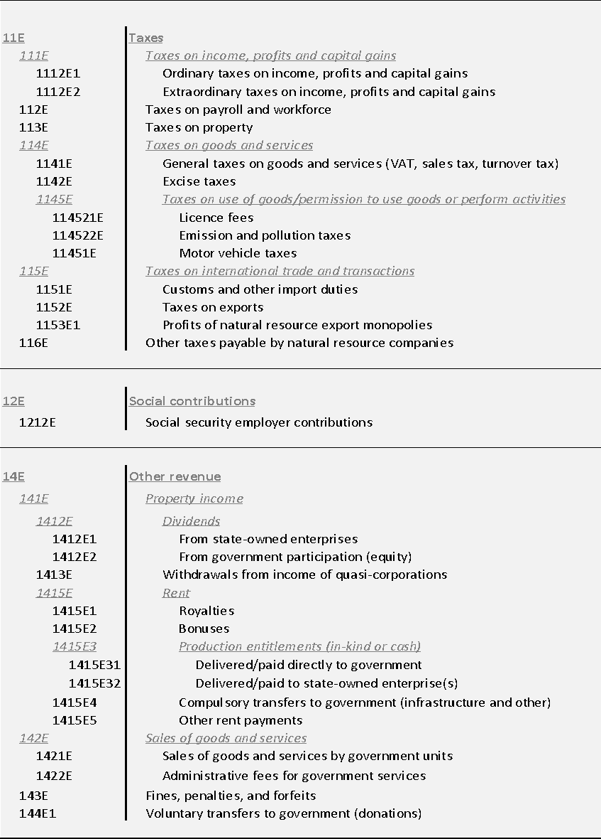
Administrative fees for government services (1422E) | Agriculture | MFA - Amendment of Articles of Incorporation | Liberia Revenue Authority | 30 | USD
Administrative fees for government services (1422E) | Agriculture | Moa - Phytosanitary Certificates | Liberia Revenue Authority | 1,550 | USD
Administrative fees for government services (1422E) | Agriculture | MOI - Communication - FM/Short Wave Station | Liberia Revenue Authority | 350 | USD
Administrative fees for government services (1422E) | Agriculture | MOJ - Private contract security accreditation | Liberia Revenue Authority | 3,200 | USD
Administrative fees for government services (1422E) | Agriculture | MOL - Gratis work permit | Liberia Revenue Authority | 1,200 | USD
Administrative fees for government services (1422E) | Agriculture | MOL - Other work permit | Liberia Revenue Authority | 84,000 | USD
Administrative fees for government services (1422E) | Agriculture | MOL - Regular work permit | Liberia Revenue Authority | 15,000 | USD
Administrative fees for government services (1422E) | Agriculture | Motorbike license plates | Liberia Revenue Authority | 8,200 | USD
Administrative fees for government services (1422E) | Agriculture | NFS -Fire safety inspection fee | Liberia Revenue Authority | 1,890 | USD
Administrative fees for government services (1422E) | Agriculture | Other fees and charges | Liberia Revenue Authority | 3,700 | USD
Administrative fees for government services (1422E) | Agriculture | Other import duties | Liberia Revenue Authority | 151,448 | USD
Administrative fees for government services (1422E) | Agriculture | Other Motor Vehicle Tax | Liberia Revenue Authority | 25 | USD
Administrative fees for government services (1422E) | Agriculture | Temporary Air Service Permit | Liberia Civil Aviation Authority | 3,600 | USD
Administrative fees for government services (1422E) | Agriculture | Traffic violation tickets (from private individuals and entities) | Liberia Revenue Authority | 50 | USD
Administrative fees for government services (1422E) | Agriculture | Vehicle License Plates | Liberia Revenue Authority | 19,908 | USD
Administrative fees for government services (1422E) | Forestry | Annual Vehicle Registration Sticker | Liberia Revenue Authority | 47,605 | USD
Administrative fees for government services (1422E) | Forestry | BIN - Adjustment / change of status | Liberia Revenue Authority | 1,200 | USD
Administrative fees for government services (1422E) | Forestry | Bin - Airport Visas | Liberia Revenue Authority | 2,800 | USD
Administrative fees for government services (1422E) | Forestry | BIN - New gratis permit (non ECOWAS) | Liberia Revenue Authority | 100 | USD
Administrative fees for government services (1422E) | Forestry | BIN - New re-entry permit (non ECOWAS) | Liberia Revenue Authority | 4,700 | USD
Administrative fees for government services (1422E) | Forestry | Bin - Other Fees (Ministry Of Justice: Bureau Of Immigration) | Liberia Revenue Authority | 1,020 | USD
Administrative fees for government services (1422E) | Forestry | BIN - Renewal gratis permit (non ECOWAS) | Liberia Revenue Authority | 1,050 | USD
Administrative fees for government services (1422E) | Forestry | Bin - Renewal Re-Entry Permit (Non Ecowas) | Liberia Revenue Authority | 3,500 | USD
Administrative fees for government services (1422E) | Forestry | Bin - Resident Permit (Ecowas) | Liberia Revenue Authority | 750 | USD
Administrative fees for government services (1422E) | Forestry | BIN - Resident permit (non ECOWAS) | Liberia Revenue Authority | 48,750 | USD
Administrative fees for government services (1422E) | Forestry | Bin - Resident Permit Of Renewal (Ecowas) | Liberia Revenue Authority | 1,100 | USD
Administrative fees for government services (1422E) | Forestry | Bin - Resident Permit Of Renewal (Non Ecowas) | Liberia Revenue Authority | 30,450 | USD
Administrative fees for government services (1422E) | Forestry | Bin - Single Re-Entry Permit (6 Months) | Liberia Revenue Authority | 75 | USD
Administrative fees for government services (1422E) | Forestry | Business registration fees | Liberia Revenue Authority | 1,350 | USD
Administrative fees for government services (1422E) | Forestry | Cnd - Other Fees | Liberia Revenue Authority | 20 | USD
Administrative fees for government services (1422E) | Forestry | Contract Administration Fees (Forestry - Fmcs) | Liberia Revenue Authority | 1,000 | USD
Administrative fees for government services (1422E) | Forestry | Lbr - Re-Registration Fee | Liberia Revenue Authority | 17,656 | USD
Administrative fees for government services (1422E) | Forestry | Log And Wood Product Export Fee (Fda Regulation 107-7 Section 44-45) (Forestry - Fmcs) | Liberia Revenue Authority | 2,664,884 | USD
Administrative fees for government services (1422E) | Forestry | Logs Handling | National Port Authority | 695,202 | USD
Administrative fees for government services (1422E) | Forestry | Marine Operations | National Port Authority | 556,360 | USD
Administrative fees for government services (1422E) | Forestry | Moa - Phytosanitary Certificates | Liberia Revenue Authority | 12,750 | USD
Administrative fees for government services (1422E) | Forestry | MOL - Contractor License Fees | Liberia Revenue Authority | 100 | USD
Administrative fees for government services (1422E) | Forestry | MOL - Gratis work permit | Liberia Revenue Authority | 2,600 | USD
Administrative fees for government services (1422E) | Forestry | MOL - Other work permit | Liberia Revenue Authority | 82,000 | USD
Administrative fees for government services (1422E) | Forestry | MOL - Regular work permit | Liberia Revenue Authority | 66,000 | USD
Administrative fees for government services (1422E) | Forestry | Mot - Eligibility Certificates | Liberia Revenue Authority | 200 | USD
Administrative fees for government services (1422E) | Forestry | Motorbike license plates | Liberia Revenue Authority | 99 | USD
Administrative fees for government services (1422E) | Forestry | NFS -Fire safety inspection fee | Liberia Revenue Authority | 50 | USD
Administrative fees for government services (1422E) | Forestry | Other Fees (Forestry - Fmcs) | Liberia Revenue Authority | 5,400 | USD
Administrative fees for government services (1422E) | Forestry | Other import duties | Liberia Revenue Authority | 57,211 | USD
Administrative fees for government services (1422E) | Forestry | Other Motor Vehicle Tax | Liberia Revenue Authority | 25 | USD
Administrative fees for government services (1422E) | Forestry | Vehicle License Plates | Liberia Revenue Authority | 31,408 | USD
Administrative fees for government services (1422E) | Mining | Annual Vehicle Registration Sticker | Liberia Revenue Authority | 146,478 | USD
Administrative fees for government services (1422E) | Mining | Aviation Development Fees | Liberia Civil Aviation Authority | 10,400 | USD
Administrative fees for government services (1422E) | Mining | BIN - Adjustment / change of status | Liberia Revenue Authority | 33,000 | USD
Administrative fees for government services (1422E) | Mining | Bin - Airport Visas | Liberia Revenue Authority | 3,300 | USD
Administrative fees for government services (1422E) | Mining | BIN - New gratis permit (Resident/ECOWAS) | Liberia Revenue Authority | 250 | USD
Administrative fees for government services (1422E) | Mining | BIN - New re-entry permit (non ECOWAS) | Liberia Revenue Authority | 40,550 | USD
Administrative fees for government services (1422E) | Mining | BIN - Renewal gratis permit (Resident/ECOWAS) | Liberia Revenue Authority | 150 | USD
Administrative fees for government services (1422E) | Mining | Bin - Renewal Re-Entry Permit (Non Ecowas) | Liberia Revenue Authority | 46,300 | USD
Administrative fees for government services (1422E) | Mining | Bin - Resident Permit (Ecowas) | Liberia Revenue Authority | 600 | USD
Administrative fees for government services (1422E) | Mining | BIN - Resident permit (non ECOWAS) | Liberia Revenue Authority | 109,950 | USD
Administrative fees for government services (1422E) | Mining | Bin - Resident Permit Of Renewal (Ecowas) | Liberia Revenue Authority | 1,550 | USD
Administrative fees for government services (1422E) | Mining | Bin - Resident Permit Of Renewal (Non Ecowas) | Liberia Revenue Authority | 127,700 | USD
Administrative fees for government services (1422E) | Mining | Business or commercial use | Liberia Revenue Authority | 916 | USD
Administrative fees for government services (1422E) | Mining | Business registration fees | Liberia Revenue Authority | 520 | USD
Administrative fees for government services (1422E) | Mining | Lbr - Re-Registration Fee | Liberia Revenue Authority | 19,501 | USD
Administrative fees for government services (1422E) | Mining | Local Inspection Fees | Liberia Civil Aviation Authority | 2,400 | USD
Administrative fees for government services (1422E) | Mining | MFA - Amendment of Articles of Incorporation | Liberia Revenue Authority | 20 | USD
Administrative fees for government services (1422E) | Mining | Mineral dealership | Liberia Revenue Authority | 95,000 | USD
Administrative fees for government services (1422E) | Mining | MOL - ECOWAS work permit | Liberia Revenue Authority | 1,000 | USD
Administrative fees for government services (1422E) | Mining | MOL - Gratis work permit | Liberia Revenue Authority | 1,200 | USD
Administrative fees for government services (1422E) | Mining | MOL - Other work permit | Liberia Revenue Authority | 248,000 | USD
Administrative fees for government services (1422E) | Mining | MOL - Regular work permit | Liberia Revenue Authority | 228,000 | USD
Administrative fees for government services (1422E) | Mining | Motorbike license plates | Liberia Revenue Authority | 50 | USD
Administrative fees for government services (1422E) | Mining | MPW - Construction permit | Liberia Revenue Authority | 100 | USD
Administrative fees for government services (1422E) | Mining | NFS -Fire safety inspection fee | Liberia Revenue Authority | 75 | USD
Administrative fees for government services (1422E) | Mining | Other fees (mineral mining) | Liberia Revenue Authority | 56,908 | USD
Administrative fees for government services (1422E) | Mining | Other fees and charges | Liberia Revenue Authority | 25,950 | USD
...

